Instructions
Election Score Calculator - Instructions

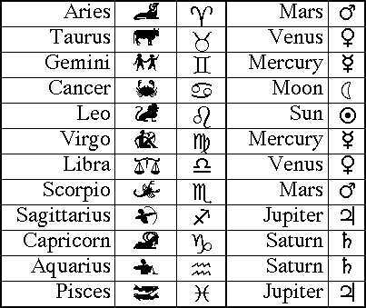
This calculator analyses the best score for an election situation. Traditionally the most powerfull election
would be a planet in its own house which would give a base score of 7. But any other planetary factors
may increase this score.

In this calulator, I have added planetary day and hours and therefore I have had to increased the traditional
base score to 8.

Disclamer

This calculator is a basic tool and not intended to be authoritive in its analysis of the planetary elections.
You are advised to calculate planetary elections using a sound astrological programme. The information
given here is for guidance only. You are strongly advised to check any election information before
attempting to apply it to any situation. Informaion generated from this calculator is for
entertainment purposes only.

1. Detriment or Fall
Planetary Detriment or Fall

Do not perform any ritual when the planet is in Detriment or Fall.
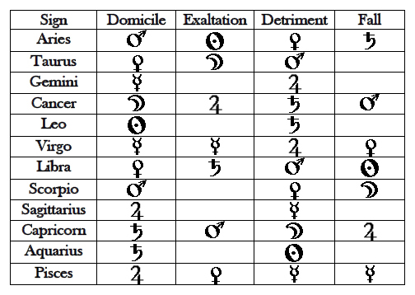
 | Detriment - When a planet is in the sign opposite the sign it rules, it is said to be in detriment.
 | Thus, its action is negative, misused, or non-existent or weakened.

 | Fall - A planet in the sign opposite the sign of its exaltation is said to be in fall.
 | Therefore, contrarily to the exaltation, the planet loses its strength and influence.

2. Ruling House
3.1.1 | The planet should be in the Ruling House, or in Exaltation or Triplicity or Terms, or Face without Combustion.
 | i.e. when they are at such an angle in the chart especially of the rising, Sign or Tenth, or in houses presently succeeding, or in their delights.
 | Heinrich Cornelius Agrippa von Nettesheim, 1651

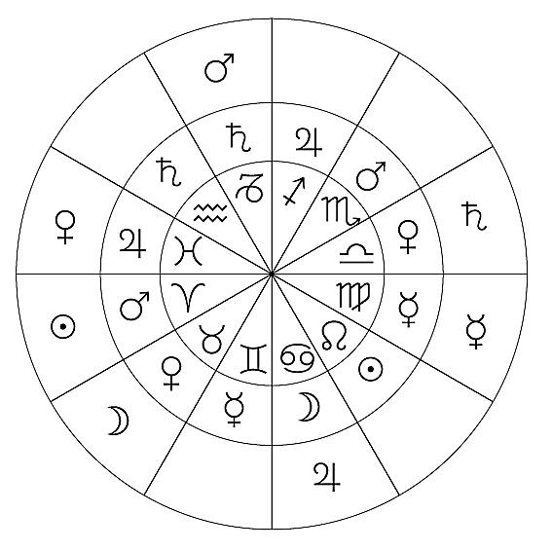
 | Is the Planet in it’s Ruling House? | If Yes place 8 in the strength box | Strength Box
 |  | If No place 0 in the strength box | 8

 |  | The inner circle of the astrological wheel are the Astrological Signs
 |  | The middle wheeel indicates the Rulerships to that Sign.

 |  | e.g. Pisces is ruled by Jupiter, Cancer is ruled by the moon

 |  | Note
 |  | It may be difficult because of the time span to wait for the relevent planet to enter its ruling house so
 |  | you may also plan your ritul when the Sun is in the planets ruling house. So if you are undertaking a Venusian ritual it
 |  | should be performed when Venus is in Libra or Taurus, alternatively, when the Sun is in either of these signs

Tripicity
3.1.1 | The planet should be in the Ruling House, or in Exaltation or Triplicity or Terms, or Face without Combustion.
 | i.e. when they are at such an angle in the chart especially of the rising, Sign or Tenth, or in houses presently succeeding, or in their delights.
 | Heinrich Cornelius Agrippa von Nettesheim, 1651

 | Is the Planet in Triplicity? |  |  | If Yes place 6 in the strength box |  | Strength Box | Cumulative
 |  |  |  | If No place 0 in the strength box |  | 6 | 21
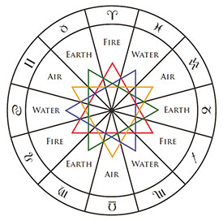

 |  |  | Fire, Air, Earth, and Water, the four elements, sometimes called the Triplicities, play an important part
 |  |  | in astrology. The term triplicities comes from the fact that there are three signs associated with each
 |  |  | of the four elements.

 |  |  | In triplicity rulerships the planetary rulers change according to whether the chart is a daytime chart,
 |  |  | (which features the Sun above the horizon), or a night-time chart, (where the sun has set).

 |  |  | If a planet is in an element that it rules, it is in dignity

Element | Sign | Planet | Day Govener | Night Govener | Planet priority is dependent on day or night
Fire | Aries | Mars | Sun, Jupiter, Saturn | Jupiter, Sun, Saturn | Planets express their energy more easily in day charts are the
Fire | Leo | Sun |  |  | Sun, Jupiter, Saturn, Mercury.
Fire | Sagitarrius | Saturn |  |  | Planets that do better at night are the Moon, Venus, Mars.

Earth | Taurus | Venus | Venus, Moon, Mars | Moon, Venus, Mars
Earth | Virgo | Mercury
Earth | Capricorn | Mars

Air | Gemini | Mercury | Saturn, Mercury, Jupiter | Mercury, Saturn, Jupiter
Air | Libra | Venus
Air | Aquarius | Saturn

Water | Pisces | Jupiter | Venus, Mars, Moon | Mars, Venus, Moon
Water | Cancer | Moon
Water | Scorpio | Mars

Term
3.1.1 | The planet should be in the Ruling House, or in Exaltation or Triplicity or Terms, or Face without Combustion.
 | i.e. when they are at such an angle in the chart especially of the rising, Sign or Tenth, or in houses presently succeeding, or in their delights.
 | Heinrich Cornelius Agrippa von Nettesheim, 1651

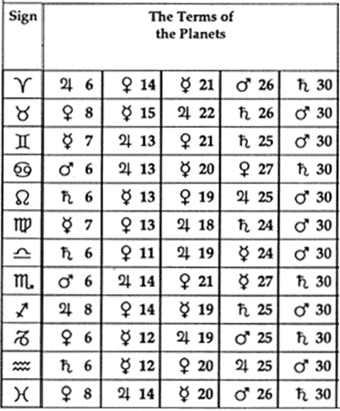
 | Is the Planet in Term? | If Yes place 5 in the strength box |  | Strength Box | Cumulative
 |  | If No place 0 in the strength box |  | 5 | 26

 |  |  | Terms, shows the degrees where rulership by term transfers. That is, Jupiter rules the first six degree of Aries,
 |  |  | from 0°00' - 5°59'; Venus rules from 6°00' - 13°59 Aries.

 |  |  | Notice that the Sun and Moon do not rule any of the terms. Also that the malefic planets, Mars
 |  |  | and Saturn rule the final terms of every sign. (this principle is fixed from 27 degrees to the end of the sign).
 |  |  | The malefics do not rule any of the middle terms (from 6 degrees - 19 degrees), which are all held by
 |  |  | Mercury, Venus or Jupiter.

 |  |  | Example: Is the planet in question in the Sign of Aires? Is it one of the planets indicated and within the Signs degrees?
 |  |  | i.e. You are working with the planet Mercury. You find it is in Sign of Virgo. So is Mercury within the first 7 degrees of Virgo?
 |  |  | Is the planet in honor (dignity) of Term?

Face
3.1.1 | The planet should be in the Ruling House, or in Exaltation or Triplicity or Terms, or Face without Combustion.
 | i.e. when they are at such an angle in the chart especially of the rising, Sign or Tenth, or in houses presently succeeding, or in their delights.

 | Heinrich Cornelius Agrippa von Nettesheim, 1651

 | Is the Planet in Term? | If Yes place 4 in the strength box | Strength Box | Cumulative
 |  | If No place 0 in the strength box | 4 | 30
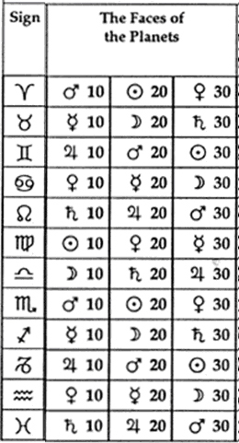

 |  | Faces, shows the degrees where rulership by face transfers. That is, Mars rules the first ten degree of Aries,
 |  | from 0°00' - 9°59'; the Sun rules rules from 10°00' - 19°59 Aries.

 |  | Also known as Decans or Decantes. are divisions of the astrological signs into 10° sections, each of which is governed
 |  | by one of the planets. Apparently Egyptian in origin they divide the solar year into 36 ten-day periods, each presided over by
 |  | a particular stellar deity.

 |  | You will be please to know that Terms and Faces are not usually used in the calculation of auspicious times for making Talismans.

Planetary Hour
The rule of the Planets over each hour begins from the dawn at the rising of the Sun on the day which takes its name from such Planet, and the Planet which follows
it in order, succeeds to the rule over the next hour. Thus (on Saturday) Saturn rules the first hour, Jupiter the second, Mars the third, the Sun the fourth, Venus the fifth,
Mercury the sixth, the Moon the seventh, and Saturn returns in the rule over the eighth, and the others in their turn, the Planets always keeping the same relative order.
Note that each experiment or magical operation should be performed under the Planet, and usually in the hour, which refers to the same.

 | Is the Planet in its hour? | If Yes place 1 in the strength box |  | Strength Box | Cumulative
 |  | If No place 0 in the strength box |  | 1 | 36
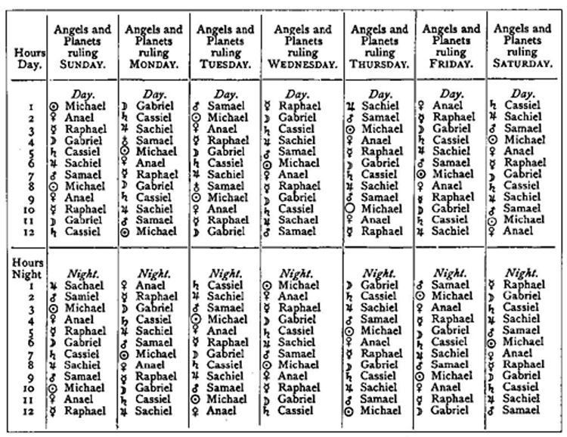

 |  |  | To manually calculate can be a little complicated so it is recommended
 |  |  | to use a Planetary Hour Calculator

